Charts
EQUITY |  |  |  |  |  |  |  |  |  |  |  |  |  | OPTIONS

1. Portfolio Equity |  |  |  |  |  |  |  |  |  |  |  |  |  | 1. Portfolio Equity

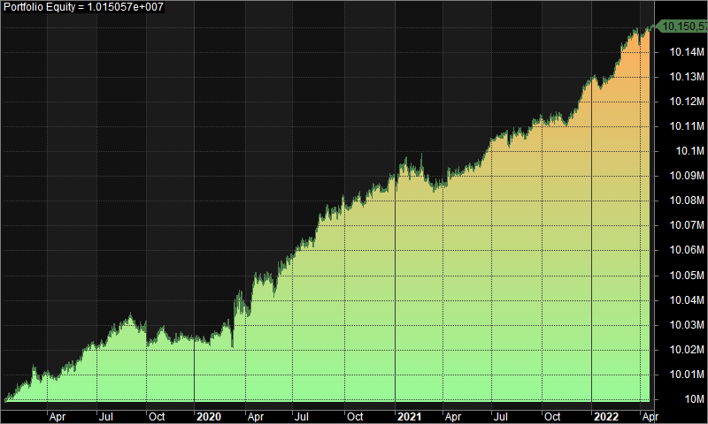
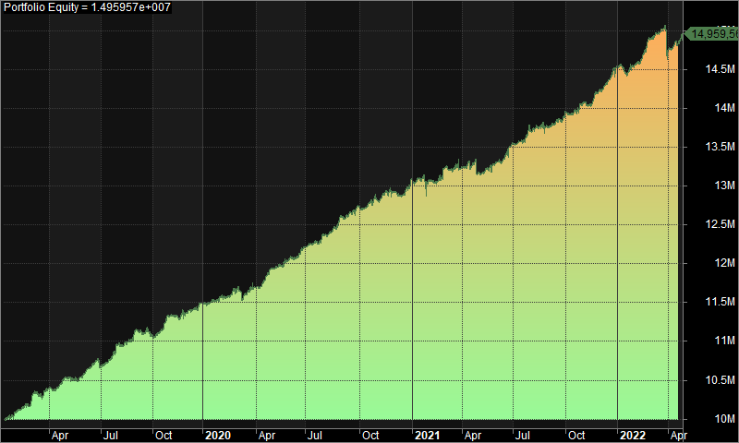

2. Underwater Equity |  |  |  |  |  |  |  |  |  |  |  |  |  | 2. Underwater Equity

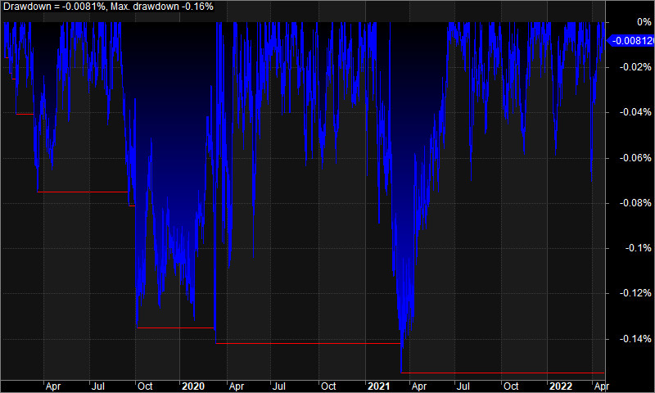
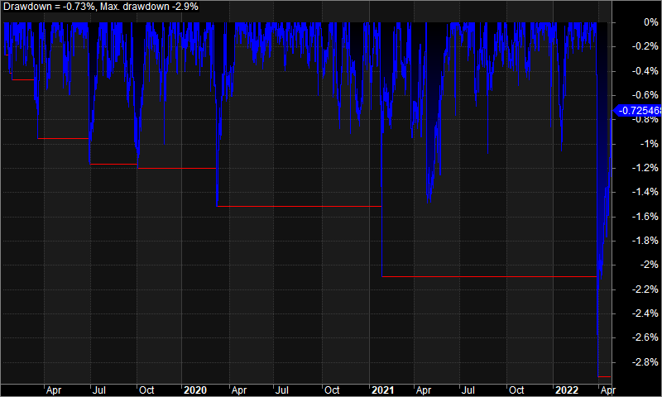

3. Profit Table |  |  |  |  |  |  |  |  |  |  |  |  |  | 3. Profit Table

Year | Jan | Feb | Mar | Apr | May | Jun | Jul | Aug | Sep | Oct | Nov | Dec | Yr% | Year | Jan | Feb | Mar | Apr | May | Jun | Jul | Aug | Sep | Oct | Nov | Dec | Yr%
2019 | 0.00% | 0.00% | 0.00% | 0.00% | 0.00% | 0.00% | 0.10% | 0.00% | -0.10% | 0.00% | 0.00% | 0.00% | 0.20% | 2019 | 0.90% | 2.00% | 0.90% | 1.40% | 0.50% | 0.70% | 3.00% | 1.70% | -0.90% | 2.40% | 0.20% | 1.20% | 14.90%
2020 | 0.00% | 0.00% | 0.10% | 0.10% | 0.00% | 0.20% | 0.10% | 0.10% | 0.00% | 0.00% | 0.10% | 0.00% | 0.70% | 2020 | 0.80% | 0.90% | 0.10% | 2.00% | 0.90% | 1.50% | 1.40% | 1.90% | 0.90% | 0.80% | 0.80% | 1.30% | 13.90%
2021 | 0.00% | 0.00% | 0.00% | 0.00% | 0.00% | 0.10% | 0.00% | 0.00% | 0.10% | 0.00% | 0.00% | 0.10% | 0.40% | 2021 | -0.50% | 1.50% | 0.20% | -0.80% | 0.90% | 2.00% | 1.70% | -0.20% | 1.50% | 0.60% | 1.10% | 2.40% | 11.10%
2022 | 0.00% | 0.10% | 0.00% | 0.10% | N/A | N/A | N/A | N/A | N/A | N/A | N/A | N/A | 0.20% | 2022 | 0.10% | 2.30% | -1.00% | 1.60% | N/A | N/A | N/A | N/A | N/A | N/A | N/A | N/A | 2.90%
Avg | 0.00% | 0.00% | 0.00% | 0.10% | 0.00% | 0.10% | 0.10% | 0.00% | 0.00% | 0.00% | 0.00% | 0.10% |  | Avg | 0.30% | 1.70% | 0.00% | 1.10% | 0.80% | 1.40% | 2.00% | 1.10% | 0.50% | 1.30% | 0.70% | 1.60%

